Sheet
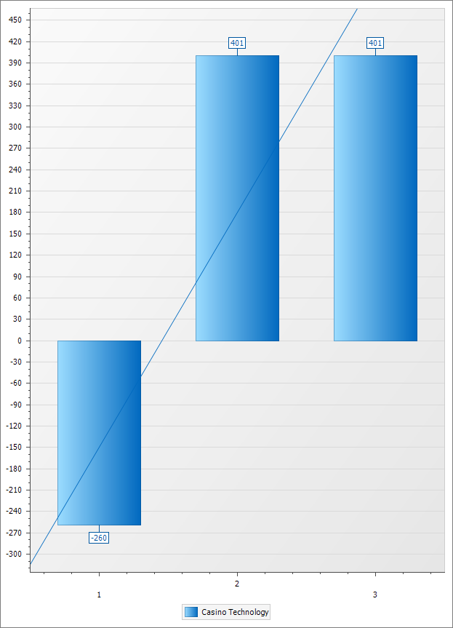

 | 1 | 2 | 3 | Grand Total
 |  |  |  | $ Total Result | $ Avg Result | Res. Share % | T/O Share %
Casino Technology | ($ 260) | $ 401 | $ 401 | $ 542 | $ 9 | 100.00 % | 100.00 %

